INSTRUCTIONS
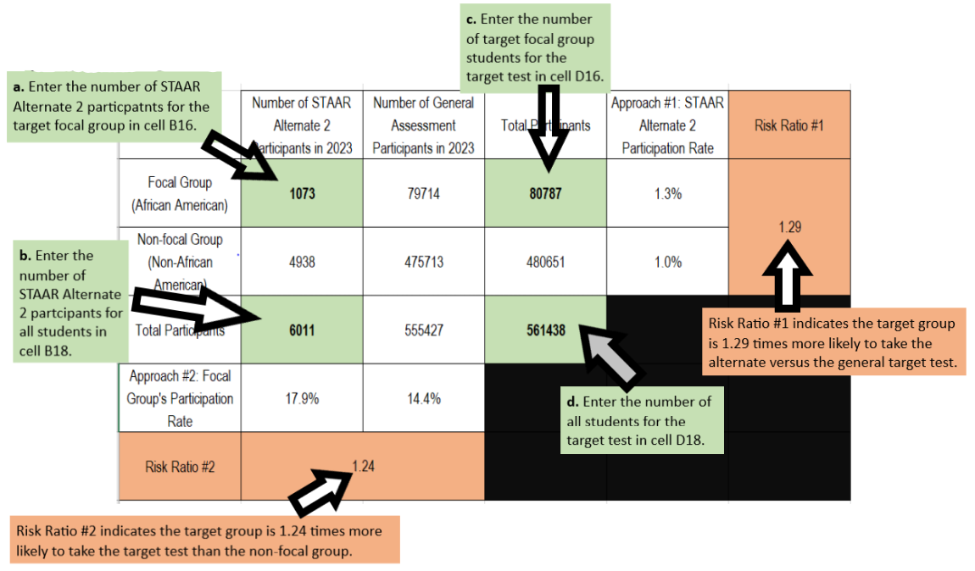
2023–2024 STAAR Alternate 2 Disproportionality Calculation

Instructions:
Step 1: Save this document as a copy to your own device.

Step 2: Access your LEA’s STAAR Alternate 2 Participation Data.pdf that was emailed to the district testing coordinator and superintendent or chief administrative officer.

Step 3: Identify a focal group for the disproportionality calculation. The list of focal groups of students includes:
a. Race and ethnicity
i. African American
ii. American Indian
iii. Asian
iv. Hispanic
v. Pacific Islander
vi. Two or more races
vii. White
b. Socioeconomic status
i. Economically Disadvantaged
c. English proficiency
i. English Learner (EL)
d. Gender
i. Female
ii. Male

Step 4: In the CALCULATION TABLE tab, enter the following numbers ONLY into the cells highlighted in green.
a. Enter the number of STAAR Alternate 2 participants for the target focal group (from STAAR Alternate 2 Participation Data.pdf).
b. Enter the number of STAAR Alternate 2 participants for all students (from STAAR Alternate 2 Participation Data.pdf).
c. Enter the number of target focal group students, target test denominator (from STATEWIDE DATA tab).
d. Enter the number of all students, target test denominator (from STATEWIDE DATA tab).

Step 5: Identify the risk ratio for the targeted focal group. TEA uses the threshold risk ratio value of 2.0 for decision making.

Step 6: If the risk ratio is above 2.0, mark the focal group in the Justification and Assurances Form and provide a description of the actions your LEA will take to address the identified disproportionality.

STAAR Alternate 2 Disproportionality Calculation Example
In this example, African Americans are the focal group, and Algebra I EOC assessment is the targeted test.

